Sheet1
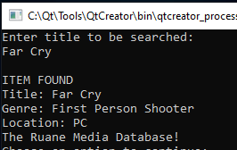
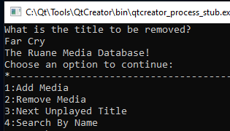
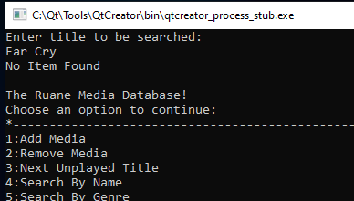
Input/Output Test Cases for Final Project
Brian Ruane

Test 1: |  | Test 2:
Input: Enter string instead of integer on main menu |  | Input: Enter '9' for List All Unplayed
Expected Output: "Input must be integer 0 through 9. Please try again." |  | Expected Output: "This function is not available at this time."
Actual Output: "Input must be integer 0 through 9. Please try again." |  | Actual Output: "This function is not available at this time."
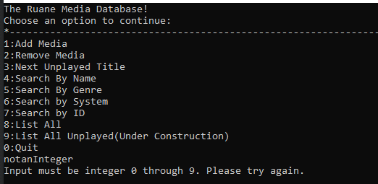
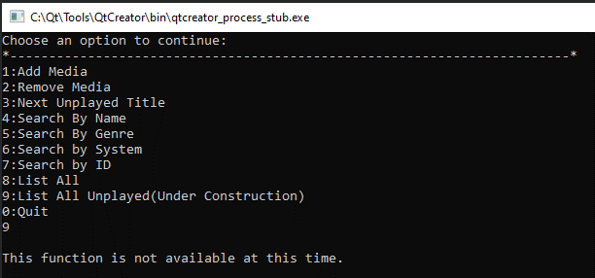

Test 3: |  | Test 4:
Input: Series of numbers for title, previously unused genre, series of numbers for platform |  | Input: Number '8' to see List All function.
Expected Output: Program will accept inputs and create new entry |  | Expected Output: Complete list of games with '1251151' as latest entry
Actual Output: Program accepted inputs and entry was created. |  | Actual Output:
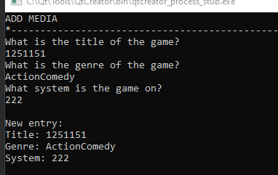
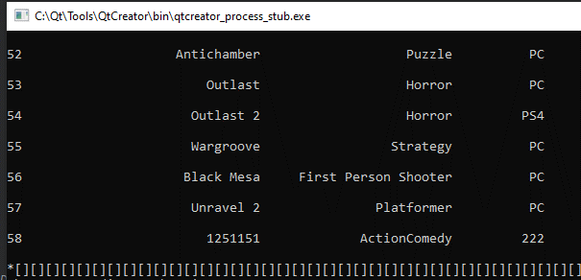

Test 5: |  | Test 6:
Input: Number '3' to see Next Unplayed Title |  | Input: Number '2' to Remove Media Function. 'Civilzation 3' entered to be removed
Expected Output: Display of top game with '1' variable in saveditems.txt file |  | Expected Output: Return to main menu, 'Civilization 3' no longer displayed in Next Unplayed Game
Actual Out: Top game is output |  | Actual Output: Game successfully removed and no longer on display
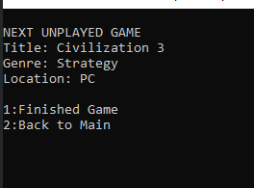
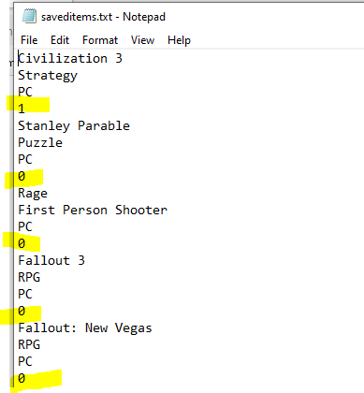
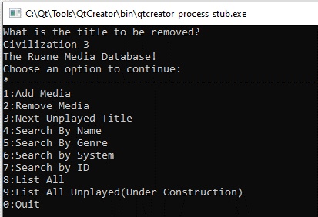
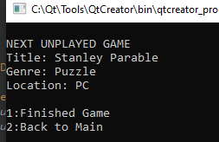

Test 7: |  | Test 8:
Input: | Number '4' Search by Name. 'Outlast' (seen in previous screenshots) entered. | Input: Number '4' Serarch by Name 'Dark Tower' (a name not in the database)
Expected Output: Display of information regarding 'Outlast' object |  | Expected Output: ' NO ITEM FOUND'
Actual Output: Display of information regarding 'Outlast' object |  | Actual Output: 'NO ITEM FOUND'
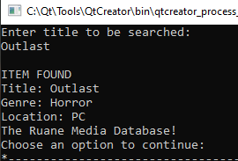

Test 9: |  | Test 10:
Input: Number '5' Search by Genre. 'Horror' (valid genre) entered. |  | Input: Number '5' Search by Genre. 'Cars' (invalid genre) entered.
Expected Output: Series of game information with 'Horror' genre |  | Expected Output: "No Item Found"
Actual Output: Series of game information with 'Horror' genre |  | Actual Output: "No Item Found"
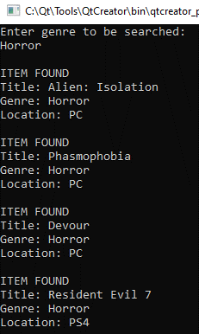
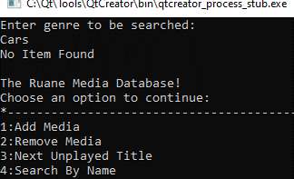

Test 11: |  | Test 12:
Input: Number '6' Search by Platform 'PC' (valid platform) entered |  | Input: Number '6' Search by Platform 'Wii' (invalid platform) entered
Expected Output: Series of game information with 'PC' platform |  | Expected Output: "No Item Found"
Actual Output: Series of game information with 'PC' platform |  | Actual Output: "No Item Found"
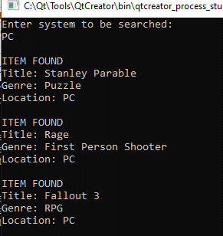
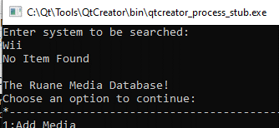

Test 13: |  | Test 14:
Input: Number '7' Search by ID. '27' (valid) entered |  | Input: Number '7' Search by ID. '99' (Invalid) entered
Expected Output: Information regarding game 27 |  | Expected Output: "No Item Found"
Actual Output: Information regarding game 27 |  | Actual Output: "No Item Found"
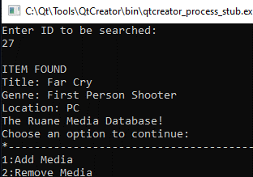
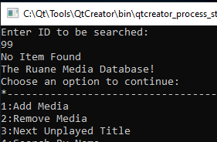

Test 15:
Input: Number 2 'Remove Media' 'Far Cry' (Search by Name screenshot to verify game in database)
Expected Output: 'NO TEM FOUND' after removal
Actual Output: 'NO TEM FOUND' after removal

